Reference
rule based | 통계분석 | DL |  |  |  |  | Fully Convolution networks for Semantic Segmantation
K. Itonori, 1993. | T. Kieninger et al.,1998. | L. Hao et al., 2016.
S. Chandran et al., 1993. | F. Cesarini et al., 2002. | S. Schreiber et al., 2017.
Y. Hirayama, 1995. | A. C. e Silva, 2009. | S. A. Siddiqui, 2018 |  |  |  |  | xception
E. Green et al., 1995. | T. Kasar et al., 2013. | S. Paliwal, 2019
S. Tupaj et al., 1996. | M. Fan et al., 2015. | A. Gilani et al., 2017 |  |  |  |  | 다른 모델에 활용하기에는 복잡해서, 연산량이나 parameter의 개수가 VGG보다 훨씬 적음에도 불구하고 vgg net이 더 자주 사용된다고 한다.
J. Hu et al., 1999. |  | N. Sun et al., 2019.
B. Gatos et al., 2005. |  | N. D. Vo et al., 2018.
F. Shafait et al., 2010. |  | S. Arif et al., 2018
 |  | M. Li, et al., 2019.
 |  | J. Younas, et al., 2019.
 |  | X. Zhong, et al., 2019.
 |  | R. Saha, et al., 2019.
 |  | A. Casado-Garc ´ ´ıa, et al., 2019.
 |  | M. Agarwal, et al., 2021
 |  | Devashish Prasad et al., 2020
 |  | H. Kwon et al., Deep table Detection Using Image-Lexical Feature, 2021
 |  | 경민영, 이현빈, 문서 이미지 내 표 검출 정확도 향상, 2021
 |  | S. H. Lee et al., 2021

 | Rule based | 통계분석 | Deep learning
1993 | 2
1994 |  |  |  | 1993 | 1998 | 2016
1995 | 2 |  |  | 1993 | 2002
1996 | 1 |  |  | 1995 | 2009
1997 |  |  |  | 1995 | 2013 | 2019
1998 |  | 2 |  | 1996 | 2015
1999 | 1 |  |  | 1999 |  | 2019
2000 |  |  |  | 2005
2001 |  |  |  | 2010
2002 |  | 1 |  |  |  | 2019
2003 |  |  |  |  |  | 2019
2004 |  |  |  |  |  | 2019
Table detection 연구동향
 | Rule based | 통계분석 | Deep learning
1993 | 2
1994
1995 | 2
1996 | 1
1997
1998 |  | 2
1999 | 1
2000
2001
2002 |  | 1
2003
2004
2005 | 1
2006
2007
2008
2009 |  | 1
2010 | 1
2011
2012
2013 |  | 1
2014
2015 |  | 1
2016 |  |  | 1
2017 |  |  | 2
2018 |  |  | 3
2019 |  |  | 7
2020 |  |  | 2
2021 |  |  | 4
2005 | 1 |  |  |  |  | 2019
2006 |  |  |  |  |  | 2019
2007 |  |  |  |  |  | 2020
2008 |  |  |  |  |  | 2021
2009 |  | 1 |  |  |  | 2021
2010 | 1 |  |  |  |  | 2021
2011
2012
2013 |  | 1
2014
2015 |  | 1
2016 |  |  | 1
2017 |  |  | 2
2018 |  |  | 3
2019 |  |  | 7
2020 |  |  | 2
2021 |  |  | 4

model_loss
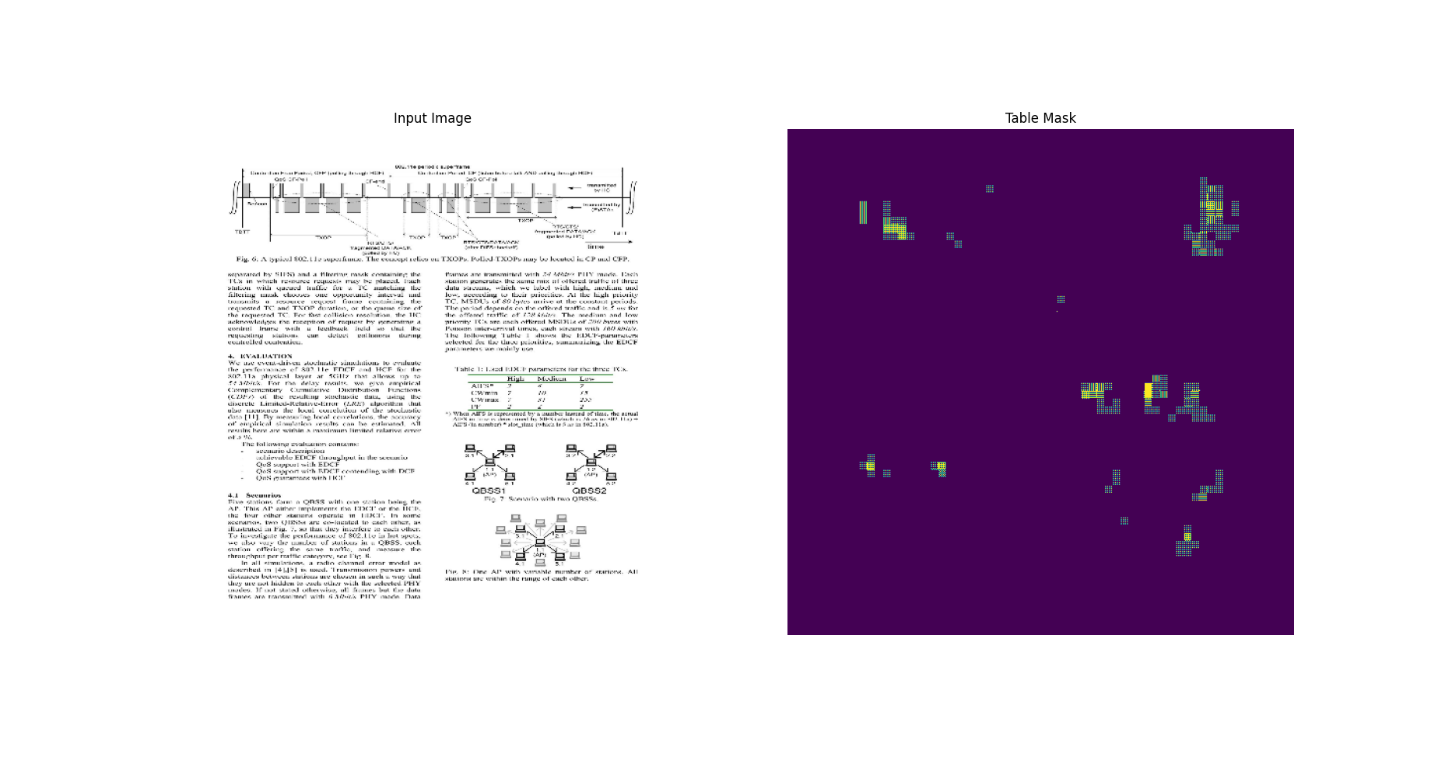

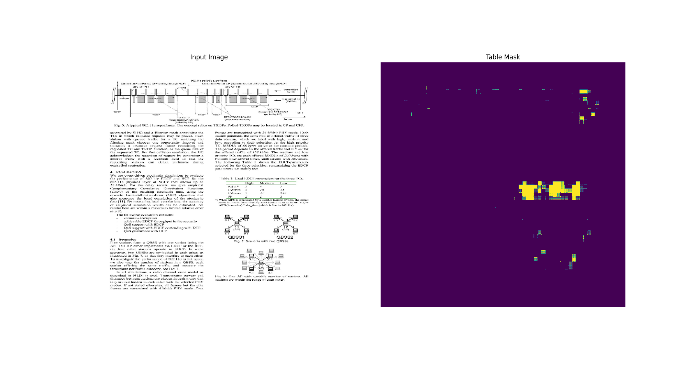
TableNet_original |  |  |  |  |  |  |  |  | ResNet50+VGG10
 | Train f1 score | Train loss | Validation f1 score | Validation loss |  |  |  |  |  | Train f1 score | Train loss | Validation f1 score | Validation loss | Validation f1score |  |  |  |  | Training f1score
0 | 0.31878983974 | 3.668135643 | 0.40448179841 | 3.4152617455 |  |  |  |  | 0 | 0.32493641973 | 1.7870179415 | 0.32537350059 | 1.4522540569 |  | Baseline | Xception | ResNet50 | ResNet50_low reg |  | Baseline | Xception | ResNet50 | ResNet50_low reg
1 | 0.47714787722 | 2.5845048428 | 0.5391831398 | 2.5124588013 |  |  |  |  | 1 | 0.5185867548 | 1.1897252798 | 0.56870925426 | 1.0820202827 | 0 | 0.40448179841 | 0.42284321785 | 0.32537350059 | 0.61650437117 | 0 | 0.31878983974 | 0.34082195163 | 0.32493641973 | 0.34957081079
2 | 0.5210018158 | 1.9773273468 | 0.59157389402 | 1.9401836395 |  |  |  |  | 2 | 0.62229305506 | 0.97104233503 | 0.65502816439 | 0.8902785182 | 1 | 0.5391831398 | 0.4652890861 | 0.56870925426 | 0.73025894165 | 1 | 0.47714787722 | 0.49866983294 | 0.5185867548 | 0.56817042828
3 | 0.54932695627 | 1.5432810783 | 0.47631877661 | 1.6689977646 |  |  |  |  | 3 | 0.68553853035 | 0.81356179714 | 0.68771731853 | 0.75692141056 | 2 | 0.59157389402 | 0.53463155031 | 0.65502816439 | 0.72977918386 | 2 | 0.5210018158 | 0.5486599803 | 0.62229305506 | 0.66208273172
4 | 0.56766986847 | 1.2097133398 | 0.62014037371 | 1.2735931873 |  |  |  |  | 4 | 0.72868865728 | 0.68393075466 | 0.75333702564 | 0.65103310347 | 3 | 0.47631877661 | 0.54486119747 | 0.68771731853 | 0.63656550646 | 3 | 0.54932695627 | 0.57968765497 | 0.68553853035 | 0.71137088537
5 | 0.57747024298 | 0.95808959007 | 0.62438797951 | 1.0477768183 |  |  |  |  | 5 | 0.75491726398 | 0.58277571201 | 0.74730992317 | 0.55412364006 | 4 | 0.62014037371 | 0.64945083857 | 0.75333702564 | 0.49428835511 | 4 | 0.56766986847 | 0.59602946043 | 0.72868865728 | 0.70771801472
6 | 0.58111512661 | 0.77134019136 | 0.55624210835 | 0.9482126236 |  |  |  |  | 6 | 0.77153593302 | 0.50339347124 | 0.76193404198 | 0.48278614879 | 5 | 0.62438797951 | 0.66038560867 | 0.74730992317 | 0.73104071617 | 5 | 0.57747024298 | 0.60472017527 | 0.75491726398 | 0.7554422617
7 | 0.59109848738 | 0.61976051331 | 0.61852407455 | 0.76753848791 |  |  |  |  | 7 | 0.77580499649 | 0.43571525812 | 0.77390176058 | 0.43693166971 | 6 | 0.55624210835 | 0.5626116395 | 0.76193404198 | 0.71866446733 | 6 | 0.58111512661 | 0.62476950884 | 0.77153593302 | 0.77349454165
8 | 0.593996346 | 0.51707273722 | 0.49732223153 | 0.75657063723 |  |  |  |  | 8 | 0.78839635849 | 0.37602156401 | 0.76217317581 | 0.38673135638 | 7 | 0.61852407455 | 0.69855374098 | 0.77390176058 | 0.78013557196 | 7 | 0.59109848738 | 0.62344908714 | 0.77580499649 | 0.78344088793
9 | 0.59563350677 | 0.42792132497 | 0.73724591732 | 0.53043484688 |  |  |  |  | 9 | 0.79231745005 | 0.32994440198 | 0.73097449541 | 0.37126225233 | 8 | 0.49732223153 | 0.66193944216 | 0.76217317581 | 0.7398840189 | 8 | 0.593996346 | 0.64679771662 | 0.78839635849 | 0.78919512033
10 | 0.59829258919 | 0.36354285479 | 0.64805233479 | 0.49489510059 |  |  |  |  | 10 | 0.79992717505 | 0.28835919499 | 0.76946461201 | 0.30886059999 | 9 | 0.73724591732 | 0.69393283129 | 0.73097449541 | 0.76913684607 | 9 | 0.59563350677 | 0.63833421469 | 0.79231745005 | 0.79831802845
11 | 0.6039545536 | 0.31649103761 | 0.67561644316 | 0.44822114706 |  |  |  |  | 11 | 0.80484205484 | 0.25305873156 | 0.7720887661 | 0.2786321342 | 10 | 0.64805233479 | 0.7042875886 | 0.76946461201 | 0.79776537418 | 10 | 0.59829258919 | 0.65360641479 | 0.79992717505 | 0.79939436913
12 | 0.61338871717 | 0.27900442481 | 0.65495997667 | 0.42071458697 |  |  |  |  | 12 | 0.80234873295 | 0.22304469347 | 0.75425612926 | 0.25938251615 | 11 | 0.67561644316 | 0.75052708387 | 0.7720887661 | 0.7011770606 | 11 | 0.6039545536 | 0.65628117323 | 0.80484205484 | 0.79796266556
13 | 0.60789734125 | 0.24971874058 | 0.58539623022 | 0.44613626599 |  |  |  |  | 13 | 0.79051876068 | 0.21870526671 | 0.71140044928 | 0.25717556477 | 12 | 0.65495997667 | 0.71452373266 | 0.75425612926 | 0.76197046041 | 12 | 0.61338871717 | 0.6592066288 | 0.80234873295 | 0.80048525333
14 | 0.60666382313 | 0.22956955433 | 0.60931700468 | 0.43001326919 |  |  |  |  | 14 | 0.81118363142 | 0.18766272068 | 0.75147682428 | 0.21442824602 | 13 | 0.58539623022 | 0.5270268321 | 0.71140044928 | 0.72865396738 | 13 | 0.60789734125 | 0.6652867794 | 0.79051876068 | 0.80679827929
15 | 0.61607587337 | 0.21135519445 | 0.63971543312 | 0.38124594092 |  |  |  |  | 15 | 0.80878978968 | 0.16950635612 | 0.76516568661 | 0.20406925678 | 14 | 0.60931700468 | 0.75742048025 | 0.75147682428 | 0.77590990067 | 14 | 0.60666382313 | 0.67315244675 | 0.81118363142 | 0.80884969234
16 | 0.61641985178 | 0.20342221856 | 0.73052674532 | 0.32108068466 |  |  |  |  | 16 | 0.81684601307 | 0.15181420743 | 0.76197397709 | 0.19106426835 | 15 | 0.63971543312 | 0.73389780521 | 0.76516568661 | 0.78174579144 | 15 | 0.61607587337 | 0.67590117455 | 0.80878978968 | 0.81725513935
17 | 0.61873966455 | 0.20634292066 | 0.65603929758 | 0.36369344592 |  |  |  |  | 17 | 0.81857764721 | 0.1393057704 | 0.77020823956 | 0.17293339968 | 16 | 0.73052674532 | 0.65897554159 | 0.76197397709 | 0.74103295803 | 16 | 0.61641985178 | 0.673417449 | 0.81684601307 | 0.81532543898
18 | 0.61979913712 | 0.19408001006 | 0.72330629826 | 0.3143658936 |  |  |  |  | 18 | 0.82067143917 | 0.1313110888 | 0.74578255415 | 0.17783103883 | 17 | 0.65603929758 | 0.79857873917 | 0.77020823956 | 0.69824880362 | 17 | 0.61873966455 | 0.68667107821 | 0.81857764721 | 0.81872880459
19 | 0.61480271816 | 0.18992763758 | 0.69999575615 | 0.31542661786 |  |  |  |  | 19 | 0.82408577204 | 0.12156794965 | 0.77574062347 | 0.15823052824 | 18 | 0.72330629826 | 0.72504752874 | 0.74578255415 | 0.75331866741 | 18 | 0.61979913712 | 0.68277573586 | 0.82067143917 | 0.81986242533
20 | 0.61937201023 | 0.17991164327 | 0.55525821447 | 0.42160409689 |  |  |  |  | 20 | 0.82047218084 | 0.11560790241 | 0.75718706846 | 0.1633888185 | 19 | 0.69999575615 | 0.66481232643 | 0.77574062347 | 0.77012455463 | 19 | 0.61480271816 | 0.67789214849 | 0.82408577204 | 0.8214623332
21 | 0.62386208773 | 0.18594053388 | 0.58948856592 | 0.38490641117 |  |  |  |  | 21 | 0.82217895985 | 0.10450614244 | 0.75832229853 | 0.14672265947 | 20 | 0.55525821447 | 0.66323596239 | 0.75718706846 | 0.75398570299 | 20 | 0.61937201023 | 0.68350827694 | 0.82047218084 | 0.78615611792
22 | 0.6178868413 | 0.18480286002 | 0.66188025475 | 0.33290177584 |  |  |  |  | 22 | 0.82792901993 | 0.099885761738 | 0.72607088089 | 0.16253830492 | 21 | 0.58948856592 | 0.65855836868 | 0.75832229853 | 0.69814699888 | 21 | 0.62386208773 | 0.69412082434 | 0.82217895985 | 0.7281730175
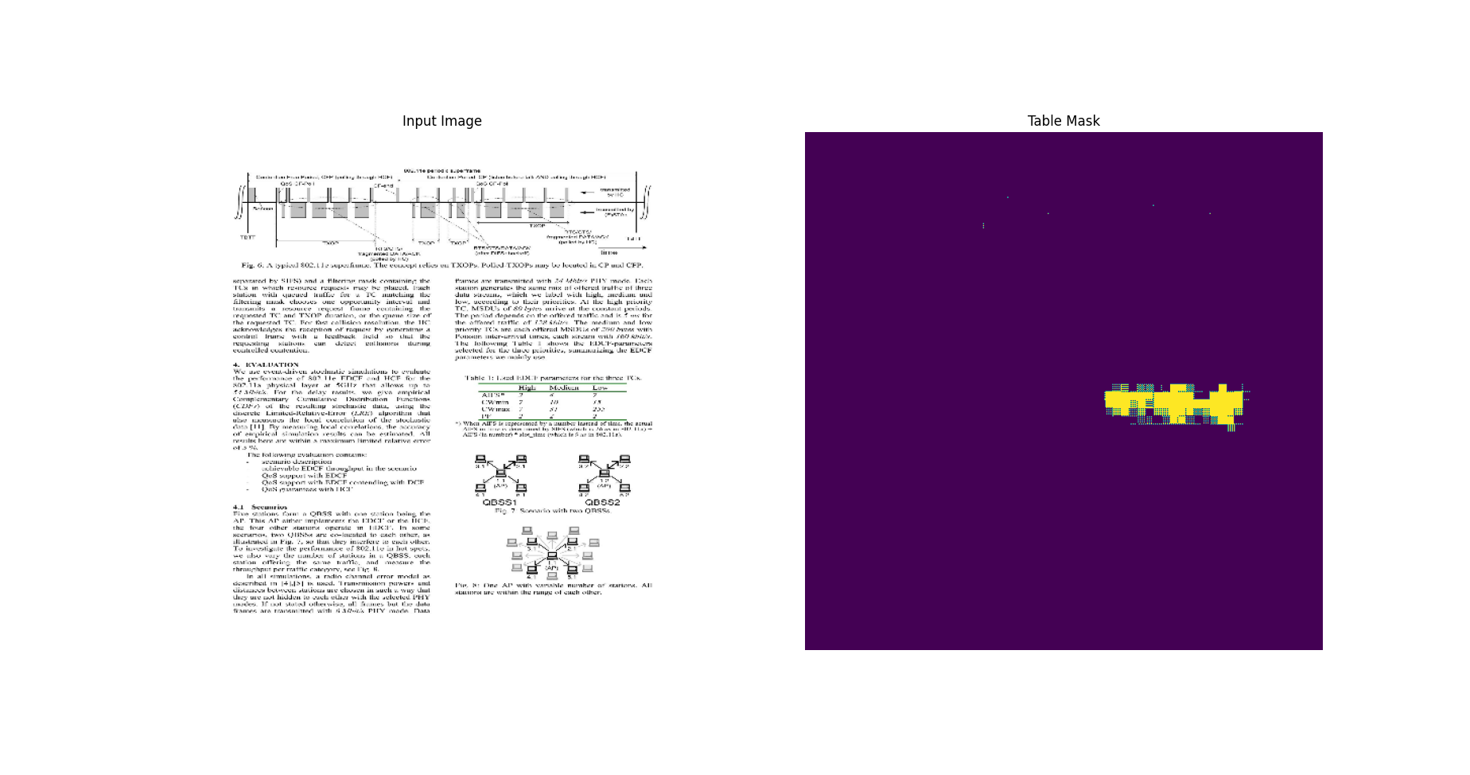
23 | 0.62611621618 | 0.18041056395 | 0.60824280977 | 0.38930177689 |  |  |  |  | 23 | 0.81905806065 | 0.095768205822 | 0.76370257139 | 0.1431658119 | 22 | 0.66188025475 | 0.7110710144 | 0.72607088089 | 0.82375490665 | 22 | 0.6178868413 | 0.69533419609 | 0.82792901993 | 0.78793627024
24 | 0.62136864662 | 0.17757998407 | 0.71267396212 | 0.31808075309 |  |  |  |  | 24 | 0.82611608505 | 0.089727699757 | 0.77774149179 | 0.1212657243 | 23 | 0.60824280977 | 0.68793529272 | 0.76370257139 | 0.78110140562 | 23 | 0.62611621618 | 0.69156831503 | 0.81905806065 | 0.81485766172
25 | 0.62086427212 | 0.1888139993 | 0.62378931046 | 0.3702185154 |  |  |  |  | 25 | 0.82854098082 | 0.090870410204 | 0.72037178278 | 0.15237466991 | 24 | 0.71267396212 | 0.68701976538 | 0.77774149179 | 0.75820803642 | 24 | 0.62136864662 | 0.69106078148 | 0.82611608505 | 0.8196927309
26 | 0.63110530376 | 0.18177218735 | 0.72061955929 | 0.31428650022 |  |  |  |  | 26 | 0.82398986816 | 0.086003191769 | 0.76764255762 | 0.11920703948 | 25 | 0.62378931046 | 0.7642416358 | 0.72037178278 | 0.77382391691 | 25 | 0.62086427212 | 0.69447290897 | 0.82854098082 | 0.82246023417
27 | 0.63387155533 | 0.17202796042 | 0.69189751148 | 0.31516739726 |  |  |  |  | 27 | 0.82526904345 | 0.081364378333 | 0.75391697884 | 0.1431671977 | 26 | 0.72061955929 | 0.67958652973 | 0.76764255762 | 0.80528503656 | 26 | 0.63110530376 | 0.70063865185 | 0.82398986816 | 0.8264400959
28 | 0.62310194969 | 0.18245625496 | 0.57941174507 | 0.39596801996 |  |  |  |  | 28 | 0.82096141577 | 0.082833975554 | 0.76442021132 | 0.12714606524 | 27 | 0.69189751148 | 0.69953274727 | 0.75391697884 | 0.82331866026 | 27 | 0.63387155533 | 0.70015591383 | 0.82526904345 | 0.82937568426
29 | 0.62149572372 | 0.1844394356 | 0.42828407884 | 0.62131500244 |  |  |  |  | 29 | 0.81786769629 | 0.084741443396 | 0.76655381918 | 0.11821497232 | 28 | 0.57941174507 | 0.79217290878 | 0.76442021132 | 0.80373352766 | 28 | 0.62310194969 | 0.70611560345 | 0.82096141577 | 0.82509499788
 |  |  |  |  |  |  |  |  |  |  |  |  |  | 29 | 0.42828407884 | 0.66804224253 | 0.76655381918 | 0.81763994694 | 29 | 0.62149572372 | 0.6999527812 | 0.81786769629 | 0.82773447037

Xception+VGG19 |  |  |  |  |  |  |  |  | ResNet50+VGG10_low reg
 | Train f1 score | Train loss | Validation f1 score | Validation loss |  |  |  |  |  | Train f1 score | Train loss | Validation f1 score | Validation loss | Validation loss |  |  |  |  | Validation loss
0 | 0.34082195163 | 2.512247324 | 0.42284321785 | 2.1418275833 |  |  |  |  | 0 | 0.34957081079 | 0.66424620152 | 0.61650437117 | 0.35484629869 |  | Baseline | Xception | ResNet50 | ResNet50_low reg |  | Baseline | Xception | ResNet50 | ResNet50_low reg
1 | 0.49866983294 | 1.8627816439 | 0.4652890861 | 1.6951363087 |  |  |  |  | 1 | 0.56817042828 | 0.32430461049 | 0.73025894165 | 0.25341522694 | 0 | 3.4152617455 | 2.1418275833 | 1.4522540569 | 0.35484629869 | 0 | 3.668135643 | 2.512247324 | 1.7870179415 | 0.66424620152
2 | 0.5486599803 | 1.488756299 | 0.53463155031 | 1.3412617445 |  |  |  |  | 2 | 0.66208273172 | 0.25262957811 | 0.72977918386 | 0.21407628059 | 1 | 2.5124588013 | 1.6951363087 | 1.0820202827 | 0.25341522694 | 1 | 2.5845048428 | 1.8627816439 | 1.1897252798 | 0.32430461049
3 | 0.57968765497 | 1.1964669228 | 0.54486119747 | 1.0936903954 |  |  |  |  | 3 | 0.71137088537 | 0.21277143061 | 0.63656550646 | 0.19534789026 | 2 | 1.9401836395 | 1.3412617445 | 0.8902785182 | 0.21407628059 | 2 | 1.9773273468 | 1.488756299 | 0.97104233503 | 0.25262957811
4 | 0.59602946043 | 0.97444552183 | 0.64945083857 | 0.87123227119 |  |  |  |  | 4 | 0.70771801472 | 0.21207390726 | 0.49428835511 | 0.46519950032 | 3 | 1.6689977646 | 1.0936903954 | 0.75692141056 | 0.19534789026 | 3 | 1.5432810783 | 1.1964669228 | 0.81356179714 | 0.21277143061
5 | 0.60472017527 | 0.80222332478 | 0.66038560867 | 0.69766134024 |  |  |  |  | 5 | 0.7554422617 | 0.1726885736 | 0.73104071617 | 0.16513223946 | 4 | 1.2735931873 | 0.87123227119 | 0.65103310347 | 0.46519950032 | 4 | 1.2097133398 | 0.97444552183 | 0.68393075466 | 0.21207390726
6 | 0.62476950884 | 0.65613979101 | 0.5626116395 | 0.61738866568 |  |  |  |  | 6 | 0.77349454165 | 0.1564899534 | 0.71866446733 | 0.16731892526 | 5 | 1.0477768183 | 0.69766134024 | 0.55412364006 | 0.16513223946 | 5 | 0.95808959007 | 0.80222332478 | 0.58277571201 | 0.1726885736
7 | 0.62344908714 | 0.55538028479 | 0.69855374098 | 0.4800170064 |  |  |  |  | 7 | 0.78344088793 | 0.14838311076 | 0.78013557196 | 0.15434606373 | 6 | 0.9482126236 | 0.61738866568 | 0.48278614879 | 0.16731892526 | 6 | 0.77134019136 | 0.65613979101 | 0.50339347124 | 0.1564899534
8 | 0.64679771662 | 0.46182399988 | 0.66193944216 | 0.41182520986 |  |  |  |  | 8 | 0.78919512033 | 0.13706088066 | 0.7398840189 | 0.15275368094 | 7 | 0.76753848791 | 0.4800170064 | 0.43693166971 | 0.15434606373 | 7 | 0.61976051331 | 0.55538028479 | 0.43571525812 | 0.14838311076
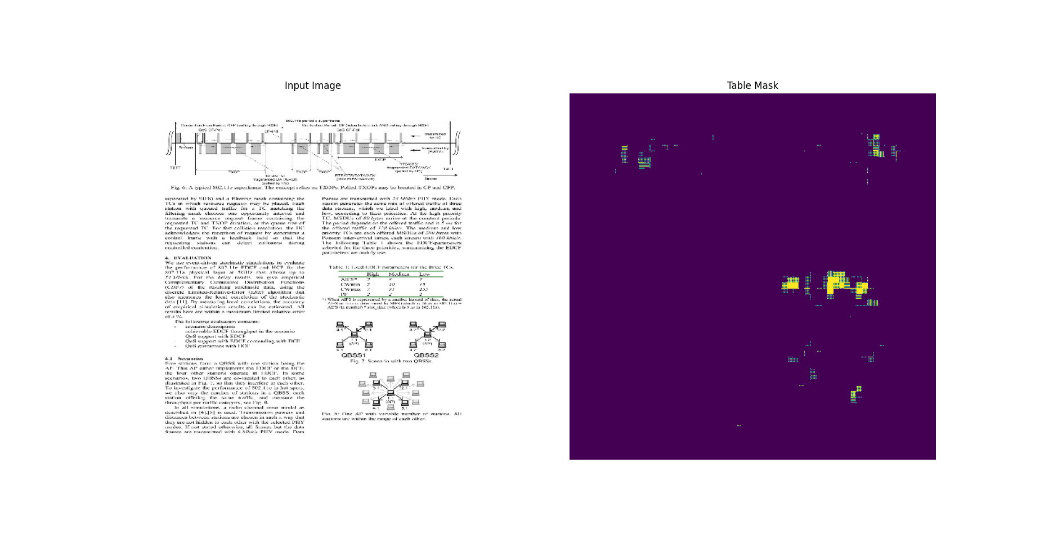
9 | 0.63833421469 | 0.40039229393 | 0.69393283129 | 0.34445121884 |  |  |  |  | 9 | 0.79831802845 | 0.13115251064 | 0.76913684607 | 0.14277085662 | 8 | 0.75657063723 | 0.41182520986 | 0.38673135638 | 0.15275368094 | 8 | 0.51707273722 | 0.46182399988 | 0.37602156401 | 0.13706088066
10 | 0.65360641479 | 0.34412065148 | 0.7042875886 | 0.30146157742 |  |  |  |  | 10 | 0.79939436913 | 0.12182801962 | 0.79776537418 | 0.13661043346 | 9 | 0.53043484688 | 0.34445121884 | 0.37126225233 | 0.14277085662 | 9 | 0.42792132497 | 0.40039229393 | 0.32994440198 | 0.13115251064
11 | 0.65628117323 | 0.29692351818 | 0.75052708387 | 0.26245349646 |  |  |  |  | 11 | 0.79796266556 | 0.12496653199 | 0.7011770606 | 0.14501185715 | 10 | 0.49489510059 | 0.30146157742 | 0.30886059999 | 0.13661043346 | 10 | 0.36354285479 | 0.34412065148 | 0.28835919499 | 0.12182801962
12 | 0.6592066288 | 0.26584950089 | 0.71452373266 | 0.24491637945 |  |  |  |  | 12 | 0.80048525333 | 0.11736388505 | 0.76197046041 | 0.13559001684 | 11 | 0.44822114706 | 0.26245349646 | 0.2786321342 | 0.14501185715 | 11 | 0.31649103761 | 0.29692351818 | 0.25305873156 | 0.12496653199
13 | 0.6652867794 | 0.2438544333 | 0.5270268321 | 0.28464460373 |  |  |  |  | 13 | 0.80679827929 | 0.11208897829 | 0.72865396738 | 0.12885807455 | 12 | 0.42071458697 | 0.24491637945 | 0.25938251615 | 0.13559001684 | 12 | 0.27900442481 | 0.26584950089 | 0.22304469347 | 0.11736388505
14 | 0.67315244675 | 0.22002109885 | 0.75742048025 | 0.19695992768 |  |  |  |  | 14 | 0.80884969234 | 0.10473396629 | 0.77590990067 | 0.12490206957 | 13 | 0.44613626599 | 0.28464460373 | 0.25717556477 | 0.12885807455 | 13 | 0.24971874058 | 0.2438544333 | 0.21870526671 | 0.11208897829
15 | 0.67590117455 | 0.20951133966 | 0.73389780521 | 0.1853684783 |  |  |  |  | 15 | 0.81725513935 | 0.098510935903 | 0.78174579144 | 0.11464162916 | 14 | 0.43001326919 | 0.19695992768 | 0.21442824602 | 0.12490206957 | 14 | 0.22956955433 | 0.22002109885 | 0.18766272068 | 0.10473396629
16 | 0.673417449 | 0.19529247284 | 0.65897554159 | 0.20063063502 |  |  |  |  | 16 | 0.81532543898 | 0.096099048853 | 0.74103295803 | 0.1184284538 | 15 | 0.38124594092 | 0.1853684783 | 0.20406925678 | 0.11464162916 | 15 | 0.21135519445 | 0.20951133966 | 0.16950635612 | 0.098510935903
17 | 0.68667107821 | 0.18647798896 | 0.79857873917 | 0.19737541676 |  |  |  |  | 17 | 0.81872880459 | 0.090761914849 | 0.69824880362 | 0.12369005382 | 16 | 0.32108068466 | 0.20063063502 | 0.19106426835 | 0.1184284538 | 16 | 0.20342221856 | 0.19529247284 | 0.15181420743 | 0.096099048853
18 | 0.68277573586 | 0.1805549413 | 0.72504752874 | 0.16767221689 |  |  |  |  | 18 | 0.81986242533 | 0.089837618172 | 0.75331866741 | 0.10768952966 | 17 | 0.36369344592 | 0.19737541676 | 0.17293339968 | 0.12369005382 | 17 | 0.20634292066 | 0.18647798896 | 0.1393057704 | 0.090761914849
19 | 0.67789214849 | 0.172003299 | 0.66481232643 | 0.18092487752 |  |  |  |  | 19 | 0.8214623332 | 0.088596634567 | 0.77012455463 | 0.10837478936 | 18 | 0.3143658936 | 0.16767221689 | 0.17783103883 | 0.10768952966 | 18 | 0.19408001006 | 0.1805549413 | 0.1313110888 | 0.089837618172
20 | 0.68350827694 | 0.18328383565 | 0.66323596239 | 0.17708958685 |  |  |  |  | 20 | 0.78615611792 | 0.11279459298 | 0.75398570299 | 0.11188928783 | 19 | 0.31542661786 | 0.18092487752 | 0.15823052824 | 0.10837478936 | 19 | 0.18992763758 | 0.172003299 | 0.12156794965 | 0.088596634567
21 | 0.69412082434 | 0.1664827466 | 0.65855836868 | 0.1754219383 |  |  |  |  | 21 | 0.7281730175 | 0.14877529442 | 0.69814699888 | 0.12384600937 | 20 | 0.42160409689 | 0.17708958685 | 0.1633888185 | 0.11188928783 | 20 | 0.17991164327 | 0.18328383565 | 0.11560790241 | 0.11279459298
22 | 0.69533419609 | 0.15868075192 | 0.7110710144 | 0.16056470573 |  |  |  |  | 22 | 0.78793627024 | 0.10602107644 | 0.82375490665 | 0.11104425788 | 21 | 0.38490641117 | 0.1754219383 | 0.14672265947 | 0.12384600937 | 21 | 0.18594053388 | 0.1664827466 | 0.10450614244 | 0.14877529442
23 | 0.69156831503 | 0.16785904765 | 0.68793529272 | 0.16893875599 |  |  |  |  | 23 | 0.81485766172 | 0.086612634361 | 0.78110140562 | 0.10063993186 | 22 | 0.33290177584 | 0.16056470573 | 0.16253830492 | 0.11104425788 | 22 | 0.18480286002 | 0.15868075192 | 0.099885761738 | 0.10602107644
24 | 0.69106078148 | 0.16443179548 | 0.68701976538 | 0.16242331266 |  |  |  |  | 24 | 0.8196927309 | 0.079077742994 | 0.75820803642 | 0.10335396975 | 23 | 0.38930177689 | 0.16893875599 | 0.1431658119 | 0.10063993186 | 23 | 0.18041056395 | 0.16785904765 | 0.095768205822 | 0.086612634361
25 | 0.69447290897 | 0.15929734707 | 0.7642416358 | 0.16603295505 |  |  |  |  | 25 | 0.82246023417 | 0.078338824213 | 0.77382391691 | 0.1020315364 | 24 | 0.31808075309 | 0.16242331266 | 0.1212657243 | 0.10335396975 | 24 | 0.17757998407 | 0.16443179548 | 0.089727699757 | 0.079077742994
26 | 0.70063865185 | 0.15934215486 | 0.67958652973 | 0.16644148529 |  |  |  |  | 26 | 0.8264400959 | 0.073925860226 | 0.80528503656 | 0.10107635707 | 25 | 0.3702185154 | 0.16603295505 | 0.15237466991 | 0.1020315364 | 25 | 0.1888139993 | 0.15929734707 | 0.090870410204 | 0.078338824213
27 | 0.70015591383 | 0.15846683085 | 0.69953274727 | 0.15500317514 |  |  |  |  | 27 | 0.82937568426 | 0.070800982416 | 0.82331866026 | 0.097586750984 | 26 | 0.31428650022 | 0.16644148529 | 0.11920703948 | 0.10107635707 | 26 | 0.18177218735 | 0.15934215486 | 0.086003191769 | 0.073925860226
28 | 0.70611560345 | 0.14845357835 | 0.79217290878 | 0.16072361171 |  |  |  |  | 28 | 0.82509499788 | 0.071137845516 | 0.80373352766 | 0.097208358347 | 27 | 0.31516739726 | 0.15500317514 | 0.1431671977 | 0.097586750984 | 27 | 0.17202796042 | 0.15846683085 | 0.081364378333 | 0.070800982416
29 | 0.6999527812 | 0.15356887877 | 0.66804224253 | 0.16191385686 |  |  |  |  | 29 | 0.82773447037 | 0.067782558501 | 0.81763994694 | 0.092217177153 | 28 | 0.39596801996 | 0.16072361171 | 0.12714606524 | 0.097208358347 | 28 | 0.18245625496 | 0.14845357835 | 0.082833975554 | 0.071137845516
 |  |  |  |  |  |  |  |  |  |  |  |  |  | 29 | 0.62131500244 | 0.16191385686 | 0.11821497232 | 0.092217177153 | 29 | 0.1844394356 | 0.15356887877 | 0.084741443396 | 0.067782558501

 |  |  |  |  | Original | Xception | ResNet50 | ResNet50 low lr
 |  |  |  |  | 0.62131500244 | 0.16191385686 | 0.11821497232 | 0.092217177153

테이블넷 원본
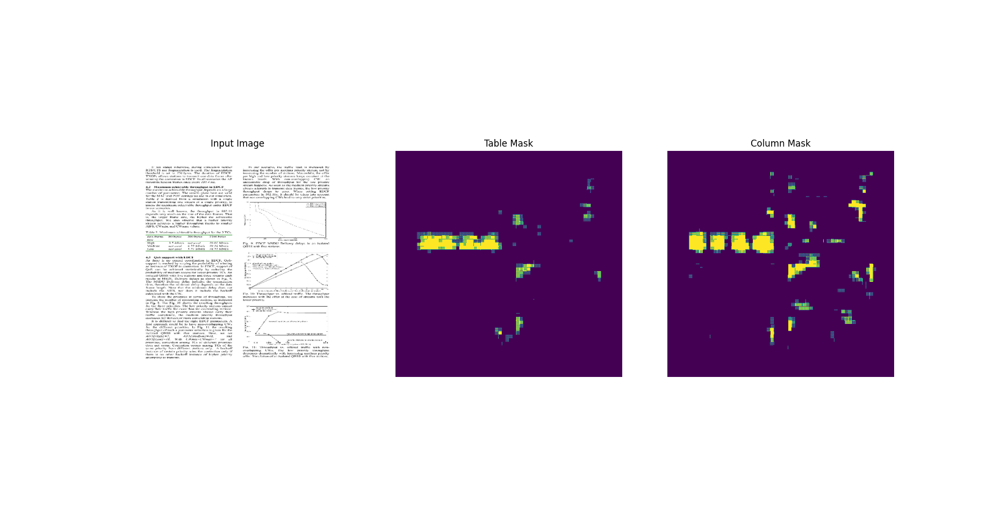
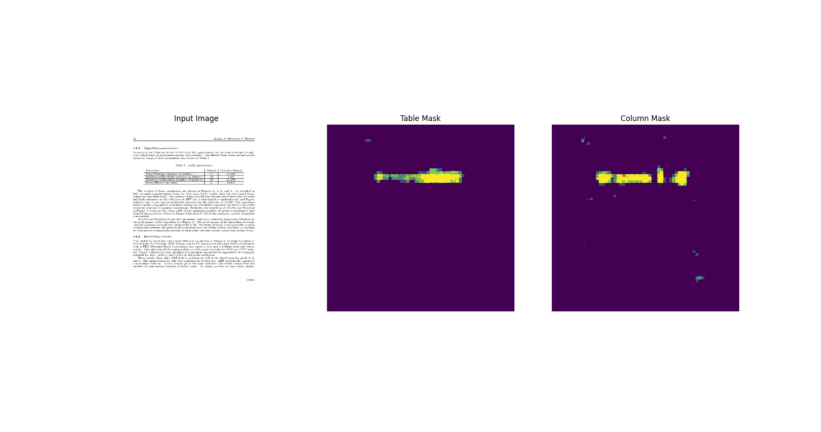
tablenet_initial

 |  | tablenet initial
col_mask_f1_score | col_mask_loss |  | Train loss | Validation loss | Train table f1 | Train column f1 | Validation table f1 | Validation column f1
 |  | 0 | 4.2983980179 | 3.5898797512 | 0.3866558671 | 0.31943199039 | 0.52645796537 | 0.53174132109
 |  | 1 | 4.5894713402 | 3.3006606102 | 0.30511361361 | 0.32178524137 | 0.5212572813 | 0.5600078702
 |  | 2 | 3.1221523285 | 2.5873484612 | 0.48489052057 | 0.47835034132 | 0.44550842047 | 0.4393992424
 |  | 3 | 2.4656922817 | 2.0368247032 | 0.5198957324 | 0.51099312305 | 0.51170885563 | 0.53540188074
 |  | 4 | 1.9499800205 | 1.6055089235 | 0.54685348272 | 0.53736007214 | 0.54578208923 | 0.56151854992
 |  | 5 | 1.5843695402 | 1.3280001879 | 0.55753338337 | 0.55107241869 | 0.60483318567 | 0.61580586433
 |  | 6 | 1.3120508194 | 1.0720006227 | 0.56106024981 | 0.55516505241 | 0.52766531706 | 0.52794188261
 |  | 7 | 1.0844786167 | 0.88512313366 | 0.57298099995 | 0.56677860022 | 0.52154272795 | 0.51059794426
 |  | 8 | 0.91226828098 | 0.7304417491 | 0.58602267504 | 0.57953196764 | 0.57956695557 | 0.59386044741
 |  | 9 | 0.77483892441 | 0.62804532051 | 0.58644902706 | 0.58257514238 | 0.58467078209 | 0.58040624857
 |  | 10 | 0.70729571581 | 0.52520221472 | 0.57678586245 | 0.57295453548 | 0.5924565196 | 0.59164643288 |  |  |  |  |  | validation table f1
 |  | 11 | 0.60676389933 | 0.47645488381 | 0.59140086174 | 0.58742344379 | 0.51581317186 | 0.51244461536 |  |  |  |  |  | Original | Xception | ResNet50 | ResNet50 low reg
 |  | 12 | 0.54270809889 | 0.43780463934 | 0.59686696529 | 0.5934548974 | 0.53215694427 | 0.52697980404 |  |  |  |  | 0 | 0.52645796537 | 0.3915771544 | 0.49216720462 | 0.34873595834
 |  | 13 | 0.49760064483 | 0.37784451246 | 0.59412992001 | 0.59002166986 | 0.57094836235 | 0.57465785742 |  |  |  |  | 1 | 0.5212572813 | 0.40526780486 | 0.63511508703 | 0.44939896464
 |  | 14 | 0.46729615331 | 0.34847867489 | 0.60003435612 | 0.5957301259 | 0.54420137405 | 0.5386570096 |  |  |  |  | 2 | 0.44550842047 | 0.49210849404 | 0.25857374072 | 0.46886503696
 |  | 15 | 0.4324298501 | 0.35074463487 | 0.60486257076 | 0.60227423906 | 0.48799347878 | 0.47380831838 |  |  |  |  | 3 | 0.51170885563 | 0.5210223794 | 0.69310951233 | 0.58221364021
 |  | 16 | 0.42366492748 | 0.33437693119 | 0.60354727507 | 0.60118871927 | 0.49667978287 | 0.48879444599 |  |  |  |  | 4 | 0.54578208923 | 0.41897633672 | 0.70288038254 | 0.54749178886
 |  | 17 | 0.40194264054 | 0.29359799623 | 0.6043536067 | 0.60146212578 | 0.54897207022 | 0.5450001955 |  |  |  |  | 5 | 0.60483318567 | 0.48322686553 | 0.71766805649 | 0.72745114565
 |  | 18 | 0.40911442041 | 0.28228789568 | 0.6045793891 | 0.60097247362 | 0.58212184906 | 0.59056550264 | VGG19 | Xception | ResNet50 | ResNet50 low lr | 6 | 0.52766531706 | 0.6945964098 | 0.7062073946 | 0.83472812176
 |  | 19 | 0.39405167103 | 0.29567146301 | 0.60195767879 | 0.60138201714 | 0.57502907515 | 0.57205235958 | 0.28044450283 | 0.25378808379 | 0.062479499727 | 0.32092389464 | 7 | 0.52154272795 | 0.65668237209 | 0.77164673805 | 0.62555581331
 |  | 20 | 0.39047563076 | 0.28548303246 | 0.61098635197 | 0.6090888381 | 0.55449450016 | 0.55295181274 |  |  |  |  | 8 | 0.57956695557 | 0.62257558107 | 0.69432681799 | 0.80223107338
 |  | 21 | 0.37756189704 | 0.29850888252 | 0.60549408197 | 0.60343933105 | 0.61889821291 | 0.62902504206 |  |  |  |  | 9 | 0.58467078209 | 0.39598080516 | 0.63704258204 | 0.77798092365
 |  | 22 | 0.37727853656 | 0.26596707106 | 0.61698061228 | 0.61514121294 | 0.58287793398 | 0.58642697334 |  |  |  |  | 10 | 0.5924565196 | 0.68157112598 | 0.77464693785 | 0.82624512911
 |  | 23 | 0.38333398104 | 0.32524478436 | 0.60856574774 | 0.60792958736 | 0.47863066196 | 0.4725445509 |  |  |  |  | 11 | 0.51581317186 | 0.71461963654 | 0.78220701218 | 0.78960090876
 |  | 24 | 0.37690991163 | 0.27854782343 | 0.60426223278 | 0.60255104303 | 0.58665817976 | 0.58630591631 |  |  |  |  | 12 | 0.53215694427 | 0.63363015652 | 0.75736880302 | 0.90366590023
 |  | 25 | 0.37505909801 | 0.27338379622 | 0.61617332697 | 0.61494785547 | 0.56434619427 | 0.56542730331 |  |  |  |  | 13 | 0.57094836235 | 0.63097065687 | 0.78104734421 | 0.89013892412
 |  | 26 | 0.38087156415 | 0.26193410158 | 0.60728526115 | 0.60617172718 | 0.60594201088 | 0.61399114132 |  |  |  |  | 14 | 0.54420137405 | 0.5348303318 | 0.72130435705 | 0.84372961521
 |  | 27 | 0.3716968894 | 0.26314723492 | 0.60587698221 | 0.60534697771 | 0.59808838367 | 0.60680764914 |  |  |  |  | 15 | 0.48799347878 | 0.68033117056 | 0.72562730312 | 0.87379413843
 |  | 28 | 0.38307100534 | 0.27379828691 | 0.61308288574 | 0.61210900545 | 0.60756659508 | 0.61183339357 |  |  |  |  | 16 | 0.49667978287 | 0.68300259113 | 0.71389406919 | 0.85883486271
 |  | 29 | 0.3741261363 | 0.28044450283 | 0.61296236515 | 0.61219400167 | 0.56222361326 | 0.5677562356 |  |  |  |  | 17 | 0.54897207022 | 0.70694279671 | 0.73325264454 | 0.91643154621
 |  |  |  |  |  |  |  |  |  |  |  |  | 18 | 0.58212184906 | 0.6977212429 | 0.71159875393 | 0.87577825785
 |  |  |  |  |  |  |  |  |  |  |  |  | 19 | 0.57502907515 | 0.71072047949 | 0.66962170601 | 0.88824868202
 |  |  |  |  |  |  |  |  |  |  |  |  | 20 | 0.55449450016 | 0.71579694748 | 0.7730897665 | 0.91540813446
 |  |  |  |  |  |  |  |  |  |  |  |  | 21 | 0.61889821291 | 0.69391864538 | 0.75093209743 | 0.89188289642
 |  | tablenet resnet lowreg |  |  |  |  |  |  |  |  |  |  | 22 | 0.58287793398 | 0.58321392536 | 0.78211402893 | 0.87929004431
 |  |  | Train loss | Validation loss | Train table f1 | Train column f1 | Validation table f1 | Validation column f1 |  |  |  |  | 23 | 0.47863066196 | 0.6879426837 | 0.68624961376 | 0.87079882622
 |  | 0 | 1.4506027699 | 2.007625103 | 0.5027834177 | 0.33208659291 | 0.34873595834 | 0.33553561568 |  |  |  |  | 24 | 0.58665817976 | 0.70643860102 | 0.67464965582 | 0.91239351034
 |  | 1 | 0.84950321913 | 1.59354496 | 0.28230667114 | 0.49346977472 | 0.44939896464 | 0.4527387619 |  |  |  |  | 25 | 0.56434619427 | 0.65745854378 | 0.73224920034 | 0.70453602076
 |  | 2 | 0.70244777203 | 1.3946466446 | 0.21866607666 | 0.58512675762 | 0.46886503696 | 0.44605436921 |  |  |  |  | 26 | 0.60594201088 | 0.74127501249 | 0.77384334803 | 0.91984814405
 |  | 3 | 0.59155255556 | 0.97217649221 | 0.17051491141 | 0.66227066517 | 0.58221364021 | 0.56614196301 |  |  |  |  | 27 | 0.59808838367 | 0.74126064777 | 0.69633167982 | 0.87456661463
 |  | 4 | 0.51573508978 | 1.084852457 | 0.13860185444 | 0.70958560705 | 0.54749178886 | 0.5165271759 |  |  |  |  | 28 | 0.60756659508 | 0.70842516422 | 0.74710971117 | 0.76775538921
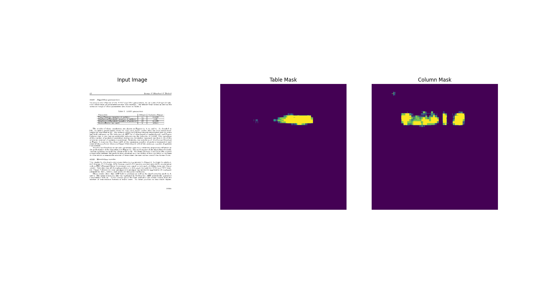
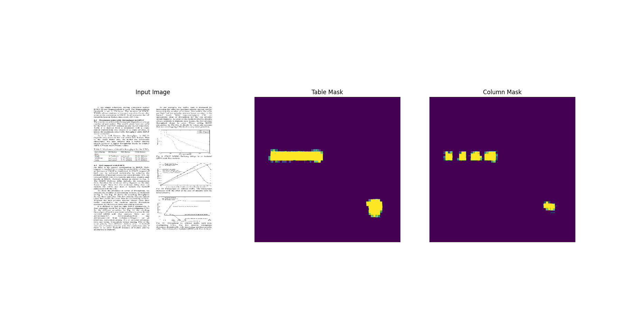
 |  | 5 | 0.47617217898 | 0.66817063093 | 0.12373980135 | 0.73509865999 | 0.72745114565 | 0.70468860865 |  |  |  |  | 29 | 0.56222361326 | 0.52708208561 | 0.74724406004 | 0.9274212122
 |  | 6 | 0.42792400718 | 0.54895412922 | 0.10498723388 | 0.76565212011 | 0.83472812176 | 0.80720824003
 |  | 7 | 0.52894967794 | 0.85950285196 | 0.15967914462 | 0.67946207523 | 0.62555581331 | 0.59015750885
 |  | 8 | 0.46820479631 | 0.54065859318 | 0.13475871086 | 0.73605579138 | 0.80223107338 | 0.77187073231 |  |  |  |  |  | validation column f1
 |  | 9 | 0.39885383844 | 0.52583152056 | 0.10377264768 | 0.76847648621 | 0.77798092365 | 0.77270025015 |  |  |  |  |  | Original | Xception | ResNet50 | ResNet50 low reg
 |  | 10 | 0.36935833097 | 0.50589925051 | 0.09351220727 | 0.78699439764 | 0.82624512911 | 0.80518019199 |  |  |  |  | 0 | 0.53174132109 | 0.3915771544 | 0.37536522746 | 0.33553561568
 |  | 11 | 0.34266459942 | 0.53441560268 | 0.084767535329 | 0.79253095388 | 0.78960090876 | 0.76510864496 |  |  |  |  | 1 | 0.5600078702 | 0.40526780486 | 0.53226172924 | 0.4527387619
 |  | 12 | 0.32440653443 | 0.38842308521 | 0.080018430948 | 0.79837399721 | 0.90366590023 | 0.89240169525 |  |  |  |  | 2 | 0.4393992424 | 0.49210849404 | 0.24317963421 | 0.44605436921
 |  | 13 | 0.33651784062 | 0.39802089334 | 0.090131141245 | 0.79366272688 | 0.89013892412 | 0.86333811283 |  |  |  |  | 3 | 0.53540188074 | 0.5210223794 | 0.64854937792 | 0.56614196301
 |  | 14 | 0.30541527271 | 0.49490091205 | 0.078670524061 | 0.80660927296 | 0.84372961521 | 0.82145267725 |  |  |  |  | 4 | 0.56151854992 | 0.41897633672 | 0.65492647886 | 0.5165271759
 |  | 15 | 0.28995588422 | 0.38739576936 | 0.075207158923 | 0.8095241189 | 0.87379413843 | 0.85944157839 |  |  |  |  | 5 | 0.61580586433 | 0.48322686553 | 0.67819035053 | 0.70468860865
 |  | 16 | 0.2787579 | 0.40403518081 | 0.073851622641 | 0.81513702869 | 0.85883486271 | 0.84816747904 |  |  |  |  | 6 | 0.52794188261 | 0.6945964098 | 0.67547816038 | 0.80720824003
 |  | 17 | 0.26940441132 | 0.3227661252 | 0.073233790696 | 0.8111589551 | 0.91643154621 | 0.91402101517 |  |  |  |  | 7 | 0.51059794426 | 0.65668237209 | 0.73745149374 | 0.59015750885
 |  | 18 | 0.25451922417 | 0.34743720293 | 0.069702260196 | 0.81269937754 | 0.87577825785 | 0.86954718828 |  |  |  |  | 8 | 0.59386044741 | 0.62257558107 | 0.65029484034 | 0.77187073231
 |  | 19 | 0.23909254372 | 0.36125767231 | 0.065754272044 | 0.82395285368 | 0.88824868202 | 0.88550305367 |  |  |  |  | 9 | 0.58040624857 | 0.39598080516 | 0.60916644335 | 0.77270025015
 |  | 20 | 0.24081578851 | 0.29699385166 | 0.070603236556 | 0.81860661507 | 0.91540813446 | 0.91209208965 |  |  |  |  | 10 | 0.59164643288 | 0.68157112598 | 0.74268174171 | 0.80518019199
 |  | 21 | 0.23328965902 | 0.35726824403 | 0.070493236184 | 0.82097655535 | 0.89188289642 | 0.89528143406 |  |  |  |  | 11 | 0.51244461536 | 0.71461963654 | 0.75611633062 | 0.76510864496
 |  | 22 | 0.2178594172 | 0.34702646732 | 0.065425559878 | 0.81451642513 | 0.87929004431 | 0.87167793512 |  |  |  |  | 12 | 0.52697980404 | 0.63363015652 | 0.730507195 | 0.89240169525
 |  | 23 | 0.21331754327 | 0.43506139517 | 0.066756859422 | 0.82294893265 | 0.87079882622 | 0.85580164194 |  |  |  |  | 13 | 0.57465785742 | 0.63097065687 | 0.74417066574 | 0.86333811283
 |  | 24 | 0.20989660919 | 0.29134136438 | 0.067642815411 | 0.82223325968 | 0.91239351034 | 0.91064012051 |  |  |  |  | 14 | 0.5386570096 | 0.5348303318 | 0.68447244167 | 0.82145267725
 |  | 25 | 0.20122149587 | 0.6393429637 | 0.065765567124 | 0.82198917866 | 0.70453602076 | 0.69837522507 |  |  |  |  | 15 | 0.47380831838 | 0.68033117056 | 0.68421006203 | 0.85944157839
 |  | 26 | 0.19469946623 | 0.24550579488 | 0.065797962248 | 0.82276201248 | 0.91984814405 | 0.91677898169 |  |  |  |  | 16 | 0.48879444599 | 0.68300259113 | 0.68147581816 | 0.84816747904
 |  | 27 | 0.1880492568 | 0.37426832318 | 0.064623780549 | 0.82636582851 | 0.87456661463 | 0.87170183659 |  |  |  |  | 17 | 0.5450001955 | 0.70694279671 | 0.70443928242 | 0.91402101517
 |  | 28 | 0.1803728044 | 0.54548788071 | 0.062624372542 | 0.82352751493 | 0.76775538921 | 0.76954936981 |  |  |  |  | 18 | 0.59056550264 | 0.6977212429 | 0.6774648428 | 0.86954718828
 |  | 29 | 0.18237440288 | 0.25378808379 | 0.065893344581 | 0.82264858484 | 0.9274212122 | 0.93012273312 |  |  |  |  | 19 | 0.57205235958 | 0.71072047949 | 0.62594825029 | 0.88550305367
 |  |  |  |  |  |  |  |  |  |  |  |  | 20 | 0.55295181274 | 0.71579694748 | 0.75842690468 | 0.91209208965
 |  |  |  |  |  |  |  |  |  |  |  |  | 21 | 0.62902504206 | 0.69391864538 | 0.72713667154 | 0.89528143406
 |  |  |  |  |  |  |  |  |  |  |  |  | 22 | 0.58642697334 | 0.58321392536 | 0.76127147675 | 0.87167793512
 |  |  |  |  |  |  |  |  |  |  |  |  | 23 | 0.4725445509 | 0.6879426837 | 0.65848553181 | 0.85580164194
 |  | tablenet resnet |  |  |  |  |  |  |  |  |  |  | 24 | 0.58630591631 | 0.70643860102 | 0.64142817259 | 0.91064012051
 |  |  | Train loss | Validation loss | Train table f1 | Train column f1 | Validation table f1 | Validation column f1 |  |  |  |  | 25 | 0.56542730331 | 0.65745854378 | 0.71614408493 | 0.69837522507
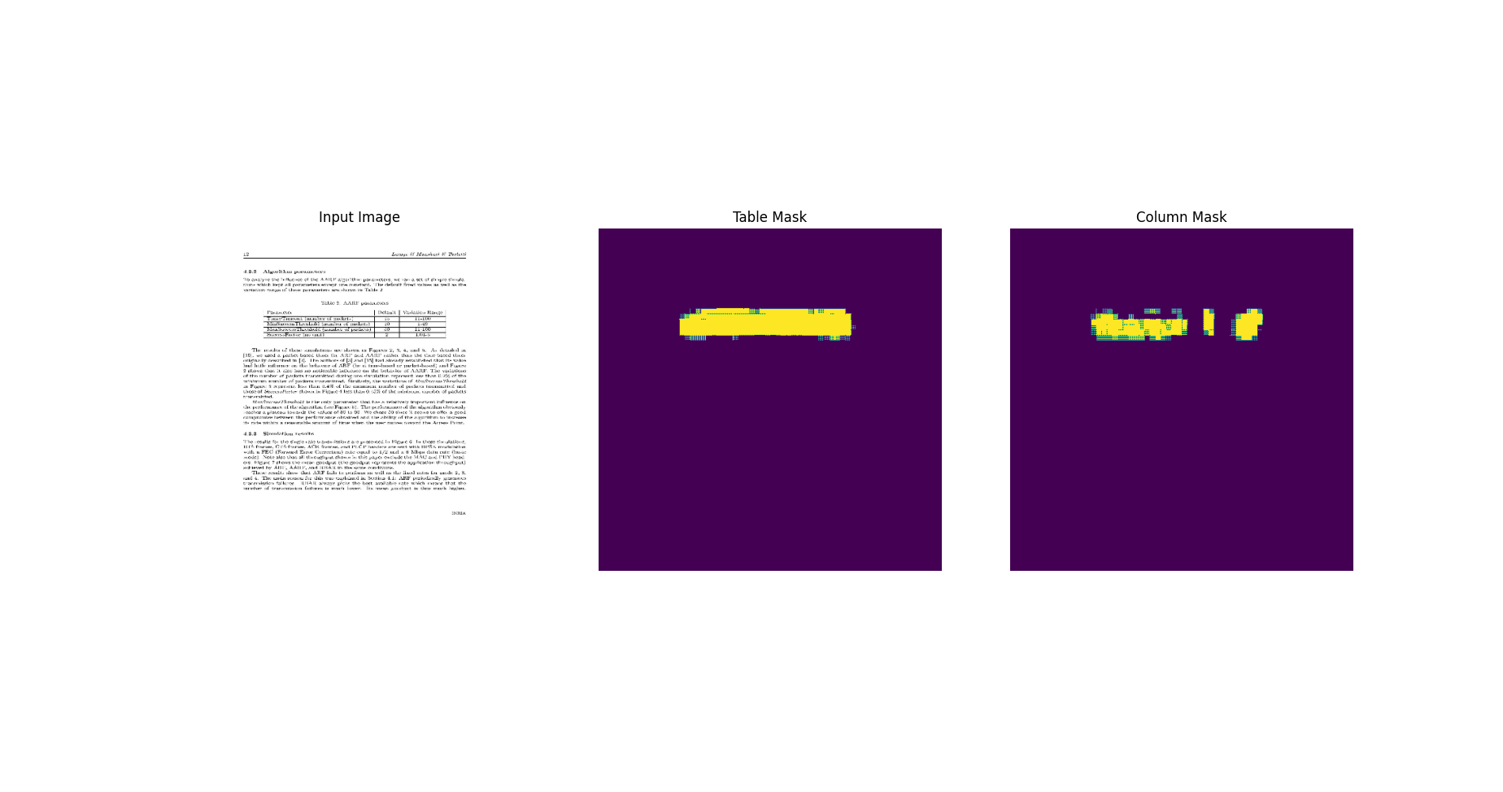
 |  | 0 | 4.5891418457 | 3.3725774288 | 0.38785716891 | 0.34672757983 | 0.49216720462 | 0.37536522746 |  |  |  |  | 26 | 0.61399114132 | 0.74127501249 | 0.75674051046 | 0.91677898169
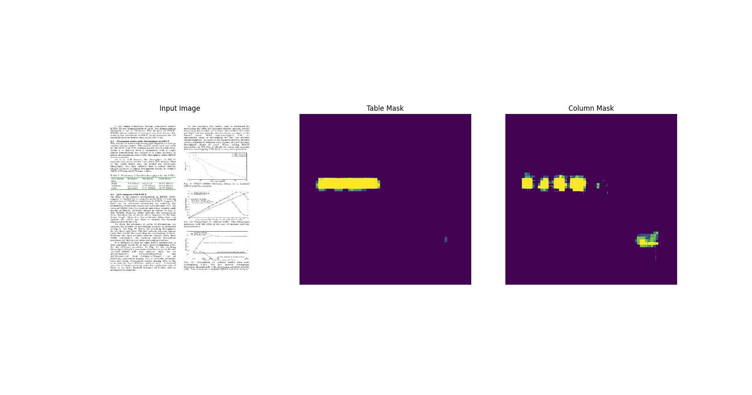
 |  | 1 | 3.3881192207 | 2.6717805862 | 0.56930077076 | 0.55233609676 | 0.63511508703 | 0.53226172924 |  |  |  |  | 27 | 0.60680764914 | 0.74126064777 | 0.68008619547 | 0.87170183659
 |  | 2 | 2.7080090046 | 2.7351930141 | 0.65415114164 | 0.63955688477 | 0.25857374072 | 0.24317963421 |  |  |  |  | 28 | 0.61183339357 | 0.70842516422 | 0.72956514359 | 0.76954936981
 |  | 3 | 2.1947607994 | 1.7632175684 | 0.6948902607 | 0.67867106199 | 0.69310951233 | 0.64854937792 |  |  |  |  | 29 | 0.5677562356 | 0.52708208561 | 0.72293144464 | 0.93012273312
 |  | 4 | 1.7629902363 | 1.3932003975 | 0.73891037703 | 0.72291404009 | 0.70288038254 | 0.65492647886
 |  | 5 | 1.4096946716 | 1.1229680777 | 0.76800990105 | 0.75570935011 | 0.71766805649 | 0.67819035053
 |  | 6 | 1.1347229481 | 0.87686049938 | 0.78298580647 | 0.7717949152 | 0.7062073946 | 0.67547816038 |  |  |  |  |  | Train loss
 |  | 7 | 0.91112095118 | 0.68931335211 | 0.79649698734 | 0.78582978249 | 0.77164673805 | 0.73745149374 |  |  |  |  |  | Original | Xception | ResNet50 | ResNet50 low reg
 |  | 8 | 0.735008955 | 0.53516584635 | 0.79766052961 | 0.78744196892 | 0.69432681799 | 0.65029484034 |  |  |  |  | 0 | 4.2983980179 | 4.1752977371 | 4.5891418457 | 1.4506027699
 |  | 9 | 0.6017062068 | 0.42675313354 | 0.80743908882 | 0.79877018929 | 0.63704258204 | 0.60916644335 |  |  |  |  | 1 | 4.5894713402 | 2.8358566761 | 3.3881192207 | 0.84950321913
 |  | 10 | 0.48868072033 | 0.34896421432 | 0.80663156509 | 0.79883271456 | 0.77464693785 | 0.74268174171 |  |  |  |  | 2 | 3.1221523285 | 2.1520504951 | 2.7080090046 | 0.70244777203
 |  | 11 | 0.40398159623 | 0.27482569218 | 0.81046813726 | 0.80301874876 | 0.78220701218 | 0.75611633062 |  |  |  |  | 3 | 2.4656922817 | 1.6949927807 | 2.1947607994 | 0.59155255556
 |  | 12 | 0.34378710389 | 0.22028681636 | 0.81360334158 | 0.80736428499 | 0.75736880302 | 0.730507195 |  |  |  |  | 4 | 1.9499800205 | 1.3635947704 | 1.7629902363 | 0.51573508978
 |  | 13 | 0.28880411386 | 0.17695119977 | 0.81720924377 | 0.81119936705 | 0.78104734421 | 0.74417066574 |  |  |  |  | 5 | 1.5843695402 | 1.1225979328 | 1.4096946716 | 0.47617217898
 |  | 14 | 0.25098508596 | 0.14373260736 | 0.82203692198 | 0.81727743149 | 0.72130435705 | 0.68447244167 |  |  |  |  | 6 | 1.3120508194 | 0.933770895 | 1.1347229481 | 0.42792400718
 |  | 15 | 0.23148417473 | 0.12173303217 | 0.81620335579 | 0.81127238274 | 0.72562730312 | 0.68421006203 |  |  |  |  | 7 | 1.0844786167 | 0.7980043292 | 0.91112095118 | 0.52894967794
 |  | 16 | 0.20348440111 | 0.10336237401 | 0.82224172354 | 0.81829088926 | 0.71389406919 | 0.68147581816 |  |  |  |  | 8 | 0.91226828098 | 0.6928049922 | 0.735008955 | 0.46820479631
 |  | 17 | 0.19087675214 | 0.092362083495 | 0.8181527257 | 0.81447094679 | 0.73325264454 | 0.70443928242 |  |  |  |  | 9 | 0.77483892441 | 0.5970467329 | 0.6017062068 | 0.39885383844
 |  | 18 | 0.18365883827 | 0.083989582956 | 0.82126671076 | 0.81712800264 | 0.71159875393 | 0.6774648428 |  |  |  |  | 10 | 0.70729571581 | 0.54964137077 | 0.48868072033 | 0.36935833097
 |  | 19 | 0.29307550192 | 0.1231970787 | 0.75168806314 | 0.74838888645 | 0.66962170601 | 0.62594825029 |  |  |  |  | 11 | 0.60676389933 | 0.48430708051 | 0.40398159623 | 0.34266459942
 |  | 20 | 0.23555773497 | 0.13453133404 | 0.76776522398 | 0.76331990957 | 0.7730897665 | 0.75842690468 |  |  |  |  | 12 | 0.54270809889 | 0.44545057416 | 0.34378710389 | 0.32440653443
 |  | 21 | 0.22764278948 | 0.082196228206 | 0.78971332312 | 0.78533673286 | 0.75093209743 | 0.72713667154 |  |  |  |  | 13 | 0.49760064483 | 0.42902752757 | 0.28880411386 | 0.33651784062
 |  | 22 | 0.17032372952 | 0.075541555882 | 0.81043314934 | 0.807035923 | 0.78211402893 | 0.76127147675 |  |  |  |  | 14 | 0.46729615331 | 0.3968513906 | 0.25098508596 | 0.30541527271
 |  | 23 | 0.15907283127 | 0.067537985742 | 0.82095056772 | 0.81761938334 | 0.68624961376 | 0.65848553181 |  |  |  |  | 15 | 0.4324298501 | 0.38777583838 | 0.23148417473 | 0.28995588422
 |  | 24 | 0.15692768991 | 0.067352160811 | 0.82495427132 | 0.82204592228 | 0.67464965582 | 0.64142817259 |  |  |  |  | 16 | 0.42366492748 | 0.3606441319 | 0.20348440111 | 0.2787579
 |  | 25 | 0.14371143281 | 0.063909947872 | 0.83013308048 | 0.82734042406 | 0.73224920034 | 0.71614408493 |  |  |  |  | 17 | 0.40194264054 | 0.36933258176 | 0.19087675214 | 0.26940441132
 |  | 26 | 0.16870743036 | 0.071026347578 | 0.81552791595 | 0.81254893541 | 0.77384334803 | 0.75674051046 |  |  |  |  | 18 | 0.40911442041 | 0.35611331463 | 0.18365883827 | 0.25451922417
 |  | 27 | 0.14883598685 | 0.063507981598 | 0.82478320599 | 0.82213616371 | 0.69633167982 | 0.68008619547 |  |  |  |  | 19 | 0.39405167103 | 0.33885228634 | 0.29307550192 | 0.23909254372
 |  | 28 | 0.1388745755 | 0.066169179976 | 0.83267301321 | 0.8302321434 | 0.74710971117 | 0.72956514359 |  |  |  |  | 20 | 0.39047563076 | 0.34854587913 | 0.23555773497 | 0.24081578851
 |  | 29 | 0.1408495903 | 0.062479499727 | 0.82954263687 | 0.82760131359 | 0.74724406004 | 0.72293144464 |  |  |  |  | 21 | 0.37756189704 | 0.32550027966 | 0.22764278948 | 0.23328965902
 |  |  |  |  |  |  |  |  |  |  |  |  | 22 | 0.37727853656 | 0.34017112851 | 0.17032372952 | 0.2178594172
 |  |  |  |  |  |  |  |  |  |  |  |  | 23 | 0.38333398104 | 0.3365932405 | 0.15907283127 | 0.21331754327
 |  | tablenet Xception |  |  |  |  |  |  |  |  |  |  | 24 | 0.37690991163 | 0.32010743022 | 0.15692768991 | 0.20989660919
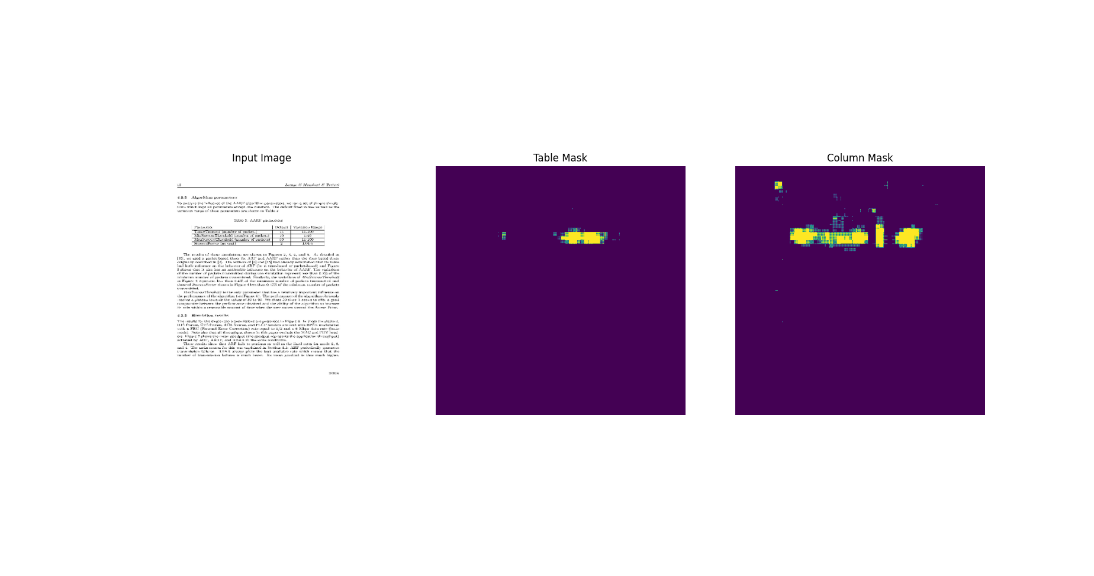
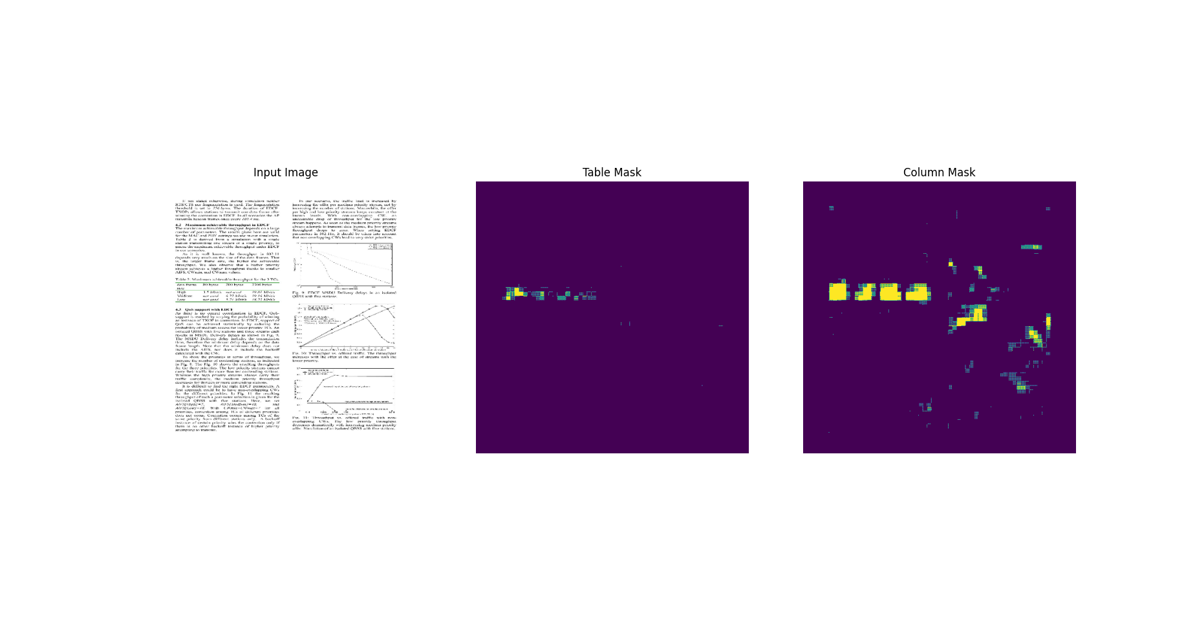
 |  |  | Train loss | Validation loss | Train table f1 | Train column f1 | Validation table f1 | Validation column f1 |  |  |  |  | 25 | 0.37505909801 | 0.31865620613 | 0.14371143281 | 0.20122149587
 |  | 0 | 4.1752977371 | 3.2344617844 | 0.35495308042 | 0.36153239012 | 0.3915771544 | 0.3915771544 |  |  |  |  | 26 | 0.38087156415 | 0.32120299339 | 0.16870743036 | 0.19469946623
 |  | 1 | 2.8358566761 | 2.4126808643 | 0.50518834591 | 0.49714779854 | 0.40526780486 | 0.40526780486 |  |  |  |  | 27 | 0.3716968894 | 0.30606633425 | 0.14883598685 | 0.1880492568
 |  | 2 | 2.1520504951 | 1.8485685587 | 0.56073862314 | 0.54828763008 | 0.49210849404 | 0.49210849404 |  |  |  |  | 28 | 0.38307100534 | 0.31696879864 | 0.1388745755 | 0.1803728044
 |  | 3 | 1.6949927807 | 1.464785099 | 0.59221166372 | 0.57915616035 | 0.5210223794 | 0.5210223794 |  |  |  |  | 29 | 0.3741261363 | 0.28753042221 | 0.1408495903 | 0.18237440288
 |  | 4 | 1.3635947704 | 1.2827414274 | 0.60037922859 | 0.58930975199 | 0.41897633672 | 0.41897633672
 |  | 5 | 1.1225979328 | 1.0151684284 | 0.61844807863 | 0.60699748993 | 0.48322686553 | 0.48322686553
 |  | 6 | 0.933770895 | 0.78845214844 | 0.62224668264 | 0.61227297783 | 0.6945964098 | 0.6945964098
 |  | 7 | 0.7980043292 | 0.65324181318 | 0.62686634064 | 0.6170411706 | 0.65668237209 | 0.65668237209
 |  | 8 | 0.6928049922 | 0.57817232609 | 0.63366889954 | 0.62346065044 | 0.62257558107 | 0.62257558107 |  |  |  |  |  | Validation loss
 |  | 9 | 0.5970467329 | 0.64127111435 | 0.64400523901 | 0.63537985086 | 0.39598080516 | 0.39598080516 |  |  |  |  |  | Original | Xception | ResNet50 | ResNet50 low reg
 |  | 10 | 0.54964137077 | 0.45370072126 | 0.64864873886 | 0.63999986649 | 0.68157112598 | 0.68157112598 |  |  |  |  | 0 | 3.5898797512 | 3.2344617844 | 3.3725774288 | 2.007625103
 |  | 11 | 0.48430708051 | 0.39160251617 | 0.65445828438 | 0.64425128698 | 0.71461963654 | 0.71461963654 |  |  |  |  | 1 | 3.3006606102 | 2.4126808643 | 2.6717805862 | 1.59354496
 |  | 12 | 0.44545057416 | 0.37425455451 | 0.65463078022 | 0.64530193806 | 0.63363015652 | 0.63363015652 |  |  |  |  | 2 | 2.5873484612 | 1.8485685587 | 2.7351930141 | 1.3946466446
 |  | 13 | 0.42902752757 | 0.36138918996 | 0.6612059474 | 0.65246039629 | 0.63097065687 | 0.63097065687 |  |  |  |  | 3 | 2.0368247032 | 1.464785099 | 1.7632175684 | 0.97217649221
 |  | 14 | 0.3968513906 | 0.38433024287 | 0.66370731592 | 0.65352332592 | 0.5348303318 | 0.5348303318 |  |  |  |  | 4 | 1.6055089235 | 1.2827414274 | 1.3932003975 | 1.084852457
 |  | 15 | 0.38777583838 | 0.30366572738 | 0.66416460276 | 0.65478277206 | 0.68033117056 | 0.68033117056 |  |  |  |  | 5 | 1.3280001879 | 1.0151684284 | 1.1229680777 | 0.66817063093
 |  | 16 | 0.3606441319 | 0.30207514763 | 0.66826671362 | 0.65943062305 | 0.68300259113 | 0.68300259113 |  |  |  |  | 6 | 1.0720006227 | 0.78845214844 | 0.87686049938 | 0.54895412922
 |  | 17 | 0.36933258176 | 0.27234467864 | 0.66634321213 | 0.65951824188 | 0.70694279671 | 0.70694279671 |  |  |  |  | 7 | 0.88512313366 | 0.65324181318 | 0.68931335211 | 0.85950285196
 |  | 18 | 0.35611331463 | 0.2851075232 | 0.67815291882 | 0.66961246729 | 0.6977212429 | 0.6977212429 |  |  |  |  | 8 | 0.7304417491 | 0.57817232609 | 0.53516584635 | 0.54065859318
 |  | 19 | 0.33885228634 | 0.25890639424 | 0.67428708076 | 0.66639888287 | 0.71072047949 | 0.71072047949 |  |  |  |  | 9 | 0.62804532051 | 0.64127111435 | 0.42675313354 | 0.52583152056
 |  | 20 | 0.34854587913 | 0.25839802623 | 0.67373758554 | 0.66678732634 | 0.71579694748 | 0.71579694748 |  |  |  |  | 10 | 0.52520221472 | 0.45370072126 | 0.34896421432 | 0.50589925051
 |  | 21 | 0.32550027966 | 0.25837001204 | 0.68147051334 | 0.67389118671 | 0.69391864538 | 0.69391864538 |  |  |  |  | 11 | 0.47645488381 | 0.39160251617 | 0.27482569218 | 0.53441560268
 |  | 22 | 0.34017112851 | 0.33274462819 | 0.6754617095 | 0.6674554944 | 0.58321392536 | 0.58321392536 |  |  |  |  | 12 | 0.43780463934 | 0.37425455451 | 0.22028681636 | 0.38842308521
 |  | 23 | 0.3365932405 | 0.27521890402 | 0.679081738 | 0.67347574234 | 0.6879426837 | 0.6879426837 |  |  |  |  | 13 | 0.37784451246 | 0.36138918996 | 0.17695119977 | 0.39802089334
 |  | 24 | 0.32010743022 | 0.24967730045 | 0.68757945299 | 0.67989480495 | 0.70643860102 | 0.70643860102 |  |  |  |  | 14 | 0.34847867489 | 0.38433024287 | 0.14373260736 | 0.49490091205
 |  | 25 | 0.31865620613 | 0.27203378081 | 0.68666172028 | 0.68064081669 | 0.65745854378 | 0.65745854378 |  |  |  |  | 15 | 0.35074463487 | 0.30366572738 | 0.12173303217 | 0.38739576936
 |  | 26 | 0.32120299339 | 0.24700176716 | 0.68652260303 | 0.67864322662 | 0.74127501249 | 0.74127501249 |  |  |  |  | 16 | 0.33437693119 | 0.30207514763 | 0.10336237401 | 0.40403518081
 |  | 27 | 0.30606633425 | 0.2416216135 | 0.69288295507 | 0.68654847145 | 0.74126064777 | 0.74126064777 |  |  |  |  | 17 | 0.29359799623 | 0.27234467864 | 0.092362083495 | 0.3227661252
 |  | 28 | 0.31696879864 | 0.2463362664 | 0.69565564394 | 0.69103723764 | 0.70842516422 | 0.70842516422 |  |  |  |  | 18 | 0.28228789568 | 0.2851075232 | 0.083989582956 | 0.34743720293
 |  | 29 | 0.28753042221 | 0.32092389464 | 0.69620257616 | 0.69039934874 | 0.52708208561 | 0.52708208561 |  |  |  |  | 19 | 0.29567146301 | 0.25890639424 | 0.1231970787 | 0.36125767231
 |  |  |  |  |  |  |  |  |  |  |  |  | 20 | 0.28548303246 | 0.25839802623 | 0.13453133404 | 0.29699385166
 |  |  |  |  |  |  |  |  |  |  |  |  | 21 | 0.29850888252 | 0.25837001204 | 0.082196228206 | 0.35726824403
 |  |  |  |  |  |  |  |  |  |  |  |  | 22 | 0.26596707106 | 0.33274462819 | 0.075541555882 | 0.34702646732
 |  |  |  |  |  |  |  |  |  |  |  |  | 23 | 0.32524478436 | 0.27521890402 | 0.067537985742 | 0.43506139517
 |  |  |  |  |  |  |  |  |  |  |  |  | 24 | 0.27854782343 | 0.24967730045 | 0.067352160811 | 0.29134136438
 |  |  |  |  |  |  |  |  |  |  |  |  | 25 | 0.27338379622 | 0.27203378081 | 0.063909947872 | 0.6393429637
 |  |  |  |  |  |  |  |  |  |  |  |  | 26 | 0.26193410158 | 0.24700176716 | 0.071026347578 | 0.24550579488
 |  |  |  |  |  |  |  |  |  |  |  |  | 27 | 0.26314723492 | 0.2416216135 | 0.063507981598 | 0.37426832318
 |  |  |  |  |  |  |  |  |  |  |  |  | 28 | 0.27379828691 | 0.2463362664 | 0.066169179976 | 0.54548788071
 |  |  |  |  |  |  |  |  |  |  |  |  | 29 | 0.28044450283 | 0.32092389464 | 0.062479499727 | 0.25378808379

